Results
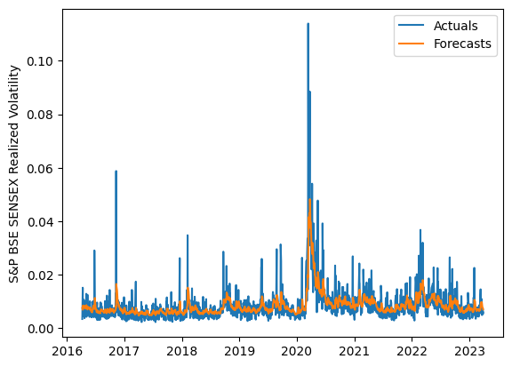
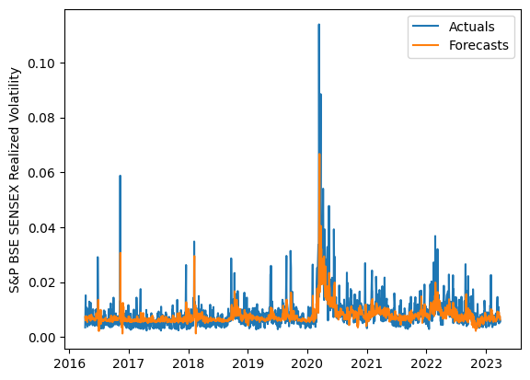
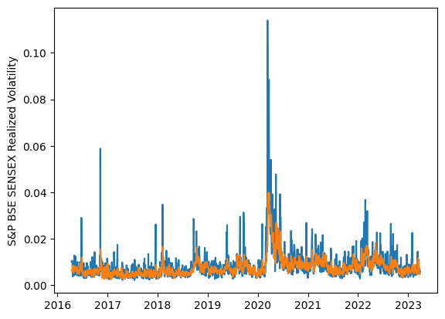
 | LSTM |  |  | TCN |  |  | NBEATSx |  |  |  |  | LSTM |  |  | TCN |  |  | NBEATSx
 | Accuracy | RMSE | Qlike | Accuracy | RMSE | Qlike | Accuracy | RMSE | Qlike |  |  | Accuracy | RMSE | Qlike | Accuracy | RMSE | Qlike | Accuracy | RMSE | Qlike
Trial 1 | 71.72% | 0.25% | 6.45% | 67.86% | 0.30% | 8.94% | 70.10% | 0.26% | 8.38% |  | Mean | 69.57% | 0.255% | 0.070 | 65.76% | 0.280% | 0.085 | 69.97% | 0.264% | 0.086
Trial 2 | 71.40% | 0.25% | 6.46% | 61.63% | 0.29% | 9.56% | 69.96% | 0.26% | 8.26% |  | Standard Deviation | 2.33% | 0.006% | 0.006 | 2.30% | 0.008% | 0.006 | 0.50% | 0.002% | 0.003
Trial 3 | 69.03% | 0.26% | 7.01% | 65.21% | 0.28% | 8.51% | 70.24% | 0.26% | 8.74% |  | 95% CI upper bound | 74.23% | 0.268% | 0.082 | 70.35% | 0.297% | 0.098 | 70.97% | 0.267% | 0.092
Trial 4 | 70.14% | 0.25% | 6.72% | 65.35% | 0.29% | 8.96% | 70.17% | 0.26% | 8.66% |  | 95% CI lower bound | 64.90% | 0.243% | 0.057 | 61.17% | 0.263% | 0.072 | 68.96% | 0.260% | 0.080
Trial 5 | 68.97% | 0.26% | 7.05% | 64.71% | 0.28% | 8.64% | 70.64% | 0.26% | 9.10% |  | 99.7% CI upper bound | 76.57% | 0.274% | 0.088 | 72.64% | 0.305% | 0.104 | 71.48% | 0.269% | 0.095
Trial 6 | 71.39% | 0.25% | 6.49% | 64.16% | 0.28% | 8.78% | 70.52% | 0.26% | 8.73% |  | 99.7% CI lower bound | 62.57% | 0.237% | 0.051 | 58.87% | 0.254% | 0.066 | 68.46% | 0.259% | 0.077
Trial 7 | 69.06% | 0.26% | 7.04% | 64.68% | 0.28% | 8.51% | 70.37% | 0.26% | 8.90%
Trial 8 | 70.42% | 0.25% | 6.69% | 66.73% | 0.28% | 8.24% | 69.58% | 0.27% | 8.78%
Trial 9 | 69.79% | 0.25% | 6.82% | 66.78% | 0.27% | 7.92% | 69.20% | 0.27% | 8.33%
Trial 10 | 66.39% | 0.26% | 7.80% | 67.36% | 0.28% | 8.47% | 70.21% | 0.26% | 8.13%
Trial 11 | 63.51% | 0.27% | 8.65% | 64.70% | 0.27% | 8.48% | 70.07% | 0.26% | 8.66%
Trial 12 | 69.70% | 0.25% | 6.87% | 68.19% | 0.27% | 7.48% | 69.60% | 0.26% | 9.19%
Trial 13 | 71.09% | 0.25% | 6.61% | 61.89% | 0.29% | 9.45% | 70.53% | 0.26% | 8.66%
Trial 14 | 72.93% | 0.25% | 6.33% | 70.08% | 0.27% | 7.30% | 69.13% | 0.27% | 8.36%
Trial 15 | 68.01% | 0.26% | 7.30% | 67.06% | 0.28% | 8.21% | 69.23% | 0.27% | 8.29%

 | LSTM (best trial) |  |  |  |  |  |  |  |  | TCN (best trial) |  |  |  |  |  |  |  |  | NBEATSx (best trial)

